DTL
 |  |  |  |  |  |  |  |  |  |  | DELTA |  |  |  |  |  |  |  |  |  |  |  |  |  | DELTA
As at |  |  |  |  |  | DTA / (DTL) |  |  |  |  |  |  |  |  | As at |  |  |  |  | DTA / (DTL)
2021-12-31 | FMV | Tax base local | Dif |  |  | Rate |  |  |  |  |  |  |  |  | 2022-06-30 | FMV | Tax base local | Dif |  | Rate
 |  |  |  |  |  | 27.9% | IRES | 24.0% |  |  |  |  |  |  |  |  |  |  |  | 27.9% | IRES | 24.0%
@ acquisition 22/12/2016 | 36,600,000 | 28,002,247 | 8,597,753 | def tax exempt @ acquistion date according to IAS 12.15b |  |  | IRAP | 3.9% |  |  |  |  |  |  | @ acquisition 22/12/2016 | 36,600,000 | 28,002,247 | 8,597,753 | def tax exempt @ acquistion date according to IAS 12.15b |  | IRAP | 3.9%
@ reporting date | 38,900,000 | 24,798,235 | 14,101,765 |  |  |  |  |  |  |  |  |  |  |  | @ reporting date | 38,850,000 | 24,452,997 | 14,397,003

Temporary difference |  |  | 5,504,012 |  |  |  |  |  |  |  |  |  |  |  | Temporary difference |  |  | 5,799,250
 |  |  |  |  |  |  |  |  |  | Q4 | P&L |  |  |  |  |  |  |  |  |  |  |  |  | Q4 | P&L
DTL on property |  |  | -1,535,619 | <== Deferred tax liabilitiy | -806,443 |  |  |  |  | -346,098.89 | -1,189,520.55 |  |  | -46,391.30 | DTL on property |  |  | -1,617,991 | <== Deferred tax liabilitiy |  |  |  |  | -1,535,619.44 | -82,371.40 |  |  | -3,212.48

Swaps value (LIABILITY) | 0 |  |  |  |  |  |  |  |  |  |  |  |  |  | Swaps value (LIABILITY) | -34,795
DTA on swap |  |  | - | <== Deferred tax asset | -24,936 |  |  |  |  | 2,899.26 | -2,899.26 |  |  | - | DTA on swap |  |  | -8,351 | <== Deferred tax asset |  |  |  |  | 0.00 | -8,350.69 |  |  | -

DTL on Financing cost |  | 45,961 | -11,031 | <== Deferred tax liabilitiy | -4,421 |  |  |  |  | 23,768.16 | -34,798.80 |  |  | -1,357.15 | DTL on Financing cost |  | 30,772 | -7,385 | <== Deferred tax liabilitiy |  |  |  |  | -11,030.64 | 3,645.36 |  |  | 142.17
 | 15,240,000 |  |  |  |  |  |  |  |  |  |  |  |  |  |  | 15,240,000
 | 15,194,039 |  |  |  |  |  |  |  |  | -319,431.47 |  |  |  |  |  | 15,209,228 |  |  |  |  |  |  |  | -1,546,650.08
 | 45,961 |  |  |  |  |  |  |  |  |  |  |  |  |  |  | 30,772

 | Total DTA / (DTL) |  | -1,546,650 | NO RECOGNITION OF DTA ON ITS OWN |  |  |  |  |  |  | -1,227,218.61 | 679200 | E | Deferred income tax |  | Total DTA / (DTL) |  | -1,633,727 | NO RECOGNITION OF DTA ON ITS OWN |  |  |  |  |  | -87,076.73 | 679200 | E | Deferred income tax

 | Def tax mvt vs Q4 19 |  | -710,850 |  |  |  | 679200 | E | Deferred income tax |  | -835,800.56 |  |  |  |  | Def tax mvt vs Q4 21 |  | -1,546,650 |  |  | 679200 | E | Deferred income tax |  | -87,076.73

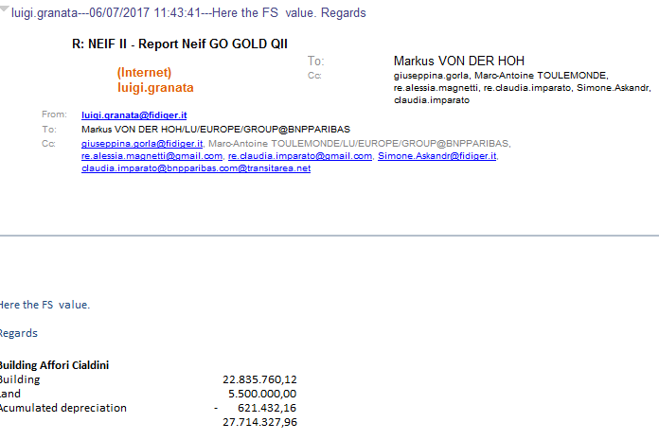
 |  |  | -806,442.80 |  |  |  |  |  |  |  |  |  |  |  |  |  |  | -1,617,990.84
 |  |  | 24,936.48 |  |  |  |  |  |  |  |  |  |  |  |  |  |  | 8,350.69
 |  |  | -4,421.28 |  |  |  |  |  |  |  |  |  |  |  |  |  |  | -7,385.28

Financing fees
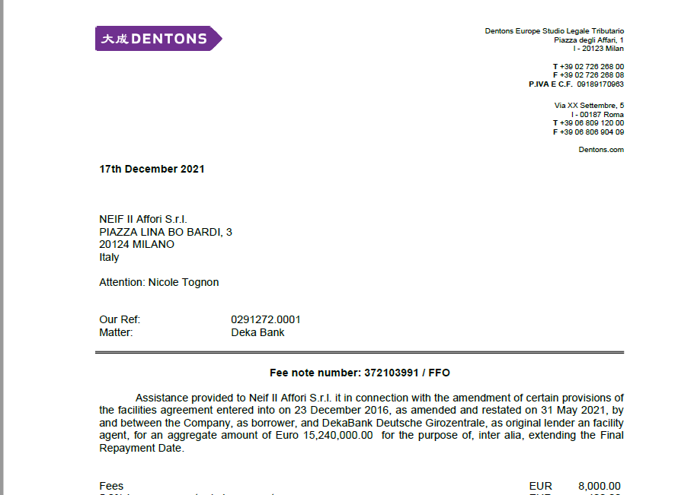
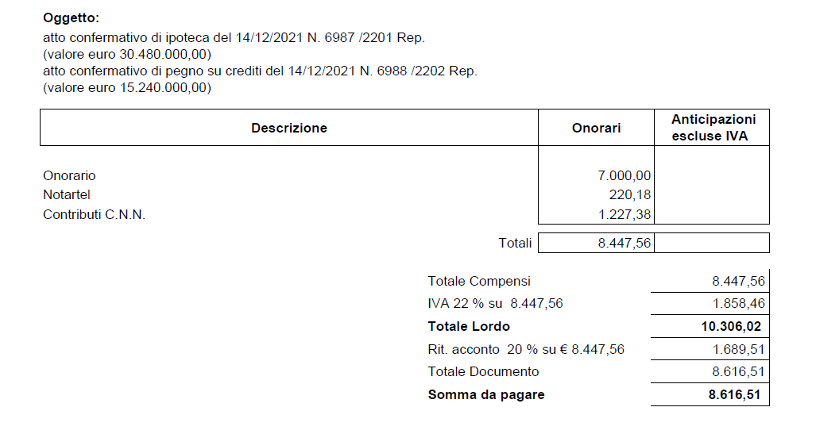
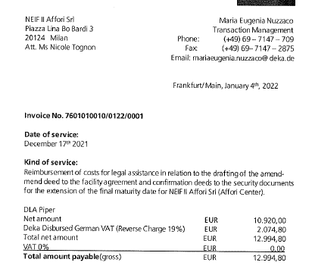
Arrangement fees | 30,480.00 | book 2021
Legal fees - Dentons | 8,000.00 | book 2021
Notary fees | 8,447.56 | book 2021
Legal fees - Deka | 12,994.80 | book 2022

Total | 59,922.36

